Sheet1
 |  | Spearman's rho (Listwise N=90)
 |  |  | MedicalWikipediaarticles | MedicalWikidatalabels | WikipediaandWikidataUsers | COVID19PandemicWikipediaPageview | COVIDWikipediaPages | COVIDWikidataContent | COVIDWikipediaEdits
min | 01 | MedicalWikipediaarticles |  | 01 | 01 | 01 | 01 | 01 | 01
max | 01 | MedicalWikidatalabels | 01 |  | 01 | 01 | 01 | 01 | 01
median | 01 | WikipediaandWikidataUsers | 01 | 01 |  | 01 | 01 | 01 | 01 |  | Bonferroni adjusted critical value:
mean | 01 | COVID19PandemicWikipediaPageview | 01 | 01 | 01 |  | 01 | 01 | 01 |  | 0.002380952381
 |  | COVIDWikipediaPages | 01 | 01 | 01 | 01 |  | 01 | 01 |  | 0.0004761904762
 |  | COVIDWikidataContent | 01 | 01 | 01 | 01 | 01 |  | 01
 |  | COVIDWikipediaEdits | 01 | 01 | 01 | 01 | 01 | 01

 |  | Listwise Kendall's Tau (N = 90)
 |  |  | MedicalWikipediaarticles | MedicalWikidatalabels | WikipediaandWikidataUsers | COVID19PandemicWikipediaPageview | COVIDWikipediaPages | COVIDWikidataContent | COVIDWikipediaEdits
 |  | MedicalWikipediaarticles | 01 | 01 | 01 | 00 | 01 | 01 | 01
 |  | MedicalWikidatalabels | 01 | 01 | 01 | 00 | 01 | 01 | 01
 |  | WikipediaandWikidataUsers | 01 | 01 | 01 | 01 | 01 | 01 | 01
 |  | COVID19PandemicWikipediaPageview | 00 | 00 | 01 | 01 | 01 | 01 | 00
 |  | COVIDWikipediaPages | 01 | 01 | 01 | 01 | 01 | 01 | 01
 |  | COVIDWikidataContent | 01 | 01 | 01 | 01 | 01 | 01 | 01
 |  | COVIDWikipediaEdits | 01 | 01 | 01 | 00 | 01 | 01 | 01

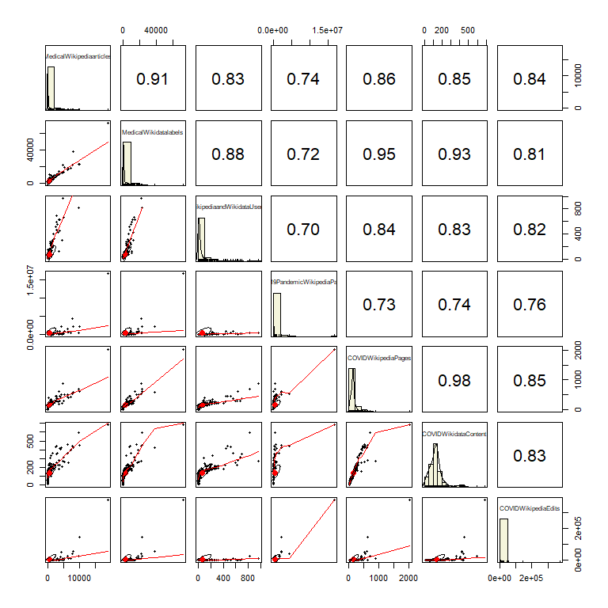
 |  | Spearman's rho (pairwise)

 |  |  |  | MedicalWikipediaarticles | MedicalWikidatalabels | WikipediaandWikidataUsers | COVID19PandemicWikipediaPageview | COVIDWikipediaPages | COVIDWikidataContent | COVIDWikipediaEdits
 |  | MedicalWikipediaarticles | Correlation Coefficient | 01 | 01 | 01 | 01 | 01 | 01 | 01
 |  | MedicalWikidatalabels | Correlation Coefficient | 01 | 01 | 01 | 01 | 01 | 01 | 01
 |  | WikipediaandWikidataUsers | Correlation Coefficient | 01 | 01 | 01 | 01 | 01 | 01 | 01
 |  | COVID19PandemicWikipediaPageview | Correlation Coefficient | 01 | 01 | 01 | 01 | 01 | 01 | 01
 |  | COVIDWikipediaPages | Correlation Coefficient | 01 | 01 | 01 | 01 | 01 | 01 | 01
 |  | COVIDWikidataContent | Correlation Coefficient | 01 | 01 | 01 | 01 | 01 | 01 | 01
 |  | COVIDWikipediaEdits | Correlation Coefficient | 01 | 01 | 01 | 01 | 01 | 01 | 01
 |  | MedicalWikipediaarticles | N | 294 | 247 | 264 | 133 | 290 | 294 | 170
 |  | MedicalWikidatalabels | N | 247 | 257 | 232 | 106 | 256 | 257 | 139
 |  | WikipediaandWikidataUsers | N | 264 | 232 | 273 | 121 | 273 | 273 | 157
 |  | COVID19PandemicWikipediaPageview | N | 133 | 106 | 121 | 133 | 133 | 133 | 124
 |  | COVIDWikipediaPages | N | 290 | 256 | 273 | 133 | 301 | 301 | 170
 |  | COVIDWikidataContent | N | 294 | 257 | 273 | 133 | 301 | 307 | 170
 |  | COVIDWikipediaEdits | N | 170 | 139 | 157 | 124 | 170 | 170 | 170

Sheet2
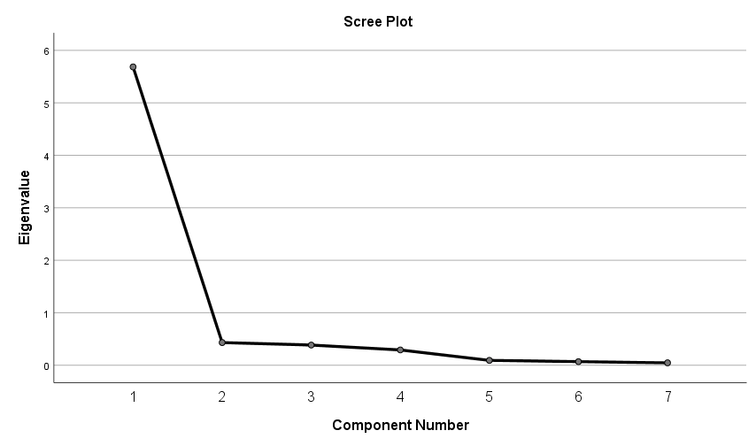
Descriptive Statistics
 | N | Minimum | Maximum | Mean | Std. Deviation | Skewness |  | Kurtosis
 | Statistic | Statistic | Statistic | Statistic | Statistic | Statistic | Std. Error | Statistic | Std. Error
MedicalWikipediaarticles | 294 | 1 | 18849 | 679.39 | 1849.943 | 5.21 | 0.142 | 37.174 | 0.283
MedicalWikidatalabels | 257 | 4 | 72957 | 2897 | 6585.196 | 6.143 | 0.152 | 53.825 | 0.303
WikipediaandWikidataUsers | 273 | 1 | 968 | 67.12 | 139.299 | 3.561 | 0.147 | 14.215 | 0.294
COVID19PandemicWikipediaPageview | 133 | 269 | 16782412 | 282528.19 | 1530136.8 | 9.818 | 0.21 | 104.53 | 0.417
COVIDWikipediaPages | 301 | 2 | 2031 | 157.11 | 157.429 | 6.627 | 0.14 | 68.704 | 0.28
COVIDWikidataContent | 307 | 2 | 686 | 138.57 | 92.022 | 2.232 | 0.139 | 7.568 | 0.277
COVIDWikipediaEdits | 170 | 1 | 378541 | 5431.36 | 31676.499 | 10.333 | 0.186 | 117.243 | 0.37
NumberSpeakers | 57 | 7.5 | 918 | 82.311 | 145.6929 | 4.118 | 0.316 | 20.053 | 0.623
MaxOfDevelopment | 57 | 0.433 | 0.955 | 0.77774 | 0.14997 | -0.642 | 0.316 | -0.674 | 0.623
logmedwikiart | 294 | 0 | 4.28 | 1.7783 | 1.01575 | 0.346 | 0.142 | -0.722 | 0.283
logmedwdata | 257 | 0.6 | 4.86 | 2.944 | 0.65273 | 0.255 | 0.152 | 0.335 | 0.303
logusers | 273 | 0 | 2.99 | 1.2718 | 0.66552 | 0.544 | 0.147 | -0.352 | 0.294
logcovidviews | 133 | 2.43 | 7.22 | 4 | 1.02324 | 0.977 | 0.21 | 0.029 | 0.417
logcovidpages | 301 | 0.3 | 3.31 | 2.0788 | 0.33307 | -0.913 | 0.14 | 4.175 | 0.28
logcontent | 307 | 0.3 | 2.84 | 2.0501 | 0.31271 | -1.302 | 0.139 | 4.323 | 0.277
logedits | 170 | 0 | 5.58 | 2.1759 | 1.20288 | 0.2 | 0.186 | -0.345 | 0.37
logspeakers | 57 | 0.88 | 2.96 | 1.6112 | 0.46267 | 0.846 | 0.316 | 0.422 | 0.623
Valid N (listwise) | 11
Correlations

Spearman's rho
 | MedicalWikipediaarticles | MedicalWikidatalabels | WikipediaandWikidataUsers | COVID19PandemicWikipediaPageview | COVIDWikipediaPages | COVIDWikidataContent | COVIDWikipediaEdits | NumberSpeakers | MaxOfDevelopment | Cohen's q (favoring Max Dev)
MedicalWikipediaarticles | 01 | 01 | 01 | 01 | 01 | 01 | 01 | 00 | 01 | 00
MedicalWikidatalabels | 01 | 01 | 01 | 01 | 01 | 01 | 01 | 00 | 01 | 01
WikipediaandWikidataUsers | 01 | 01 | 01 | 01 | 01 | 01 | 01 | 00 | 01 | 01
COVID19PandemicWikipediaPageview | 01 | 01 | 01 | 01 | 01 | 01 | 01 | 01 | 01 | 00
COVIDWikipediaPages | 01 | 01 | 01 | 01 | 01 | 01 | 01 | 01 | 01 | 00
COVIDWikidataContent | 01 | 01 | 01 | 01 | 01 | 01 | 01 | 01 | 01 | 00
COVIDWikipediaEdits | 01 | 01 | 01 | 01 | 01 | 01 | 01 | 01 | 01 | 00
NumberSpeakers | 0.478 | 0.38 | 0.21 | 0.531 | 0.519 | 0.532 | 0.55 | 1 | 0.43
MaxOfDevelopment | 0.706 | 0.756 | 0.619 | 0.533 | 0.71 | 0.693 | 0.628 | 0.43 | 1
N | 294 | 247 | 264 | 133 | 290 | 294 | 170 | 56 | 57
N | 247 | 257 | 232 | 106 | 256 | 257 | 139 | 45 | 56
N | 264 | 232 | 273 | 121 | 273 | 273 | 157 | 45 | 51
N | 133 | 106 | 121 | 133 | 133 | 133 | 124 | 46 | 44
N | 290 | 256 | 273 | 133 | 301 | 301 | 170 | 57 | 57 |  | Component Matrix | N=90
N | 294 | 257 | 273 | 133 | 301 | 307 | 170 | 57 | 57 |  |  | Component
N | 170 | 139 | 157 | 124 | 170 | 170 | 170 | 52 | 49 |  |  | 1
N | 56 | 45 | 45 | 46 | 57 | 57 | 52 | 57 | 19 |  | logusers | 01
N | 57 | 56 | 51 | 44 | 57 | 57 | 49 | 19 | 57 |  | logmedwdata | 01
Sig. (2-tailed) | . | 0 | 0 | 0 | 0 | 0 | 0 | 0 | 0 |  | logmedwikiart | 01
Sig. (2-tailed) | 0 | . | 0 | 0 | 0 | 0 | 0 | 0.01 | 0 |  | logcovidpages | 01
Sig. (2-tailed) | 0 | 0 | . | 0 | 0 | 0 | 0 | 0.166 | 0 |  | logcontent | 01
Sig. (2-tailed) | 0 | 0 | 0 | . | 0 | 0 | 0 | 0 | 0 |  | logedits | 01
Sig. (2-tailed) | 0 | 0 | 0 | 0 | . | 0 | 0 | 0 | 0 |  | logcovidviews | 01
Sig. (2-tailed) | 0 | 0 | 0 | 0 | 0 | . | 0 | 0 | 0 |  | Extraction Method: Principal Component Analysis.
Sig. (2-tailed) | 0 | 0 | 0 | 0 | 0 | 0 | . | 0 | 0
Sig. (2-tailed) | 0 | 0.01 | 0.166 | 0 | 0 | 0 | 0 | . | 0.066
Sig. (2-tailed) | 0 | 0 | 0 | 0 | 0 | 0 | 0 | 0.066 | . |  |  | Total Variance Explained
 |  |  |  |  |  |  |  |  |  |  |  | Component | Initial Eigenvalues |  |  | Extraction Sums of Squared Loadings
 |  |  |  |  |  |  |  |  |  |  |  |  | Total | % of Variance | Cumulative % | Total | % of Variance | Cumulative %
 |  |  |  |  |  |  |  |  |  |  |  | 1 | 5.684 | 81.204 | 81.204 | 5.684 | 81.204 | 81.204
 |  |  |  |  |  |  |  |  |  |  |  | 2 | 0.432 | 6.171 | 87.376
 |  |  |  |  |  |  |  |  |  |  |  | 3 | 0.385 | 5.499 | 92.875
 |  |  |  |  |  |  |  |  |  |  |  | 4 | 0.291 | 4.163 | 97.037
 |  |  |  |  |  |  |  |  |  |  |  | 5 | 0.093 | 1.325 | 98.362
 |  |  |  |  |  |  |  |  |  |  |  | 6 | 0.069 | 0.984 | 99.346
 |  |  |  |  |  |  |  |  |  |  |  | 7 | 0.046 | 0.654 | 100
 |  |  |  |  |  |  |  |  |  |  |  | Extraction Method: Principal Component Analysis.

